UK_TracksAccess
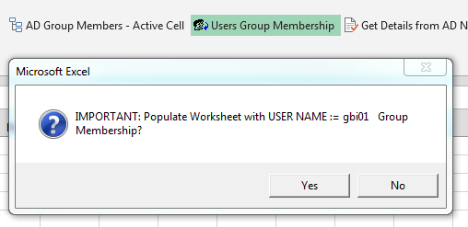
Name | Full Name | Description | AccountDisabled
GBI01 | Grant Bishop | STANDARD | FALSE
KMA08 | Karen Ewen | STANDARD old | FALSE

